Dashboard
Sales Performance Dashboard

⏷ Filters
🛒 Total Sales
$14.9M
📈 Total Profit
$1.5M
📦 Total Quantity
21.5K
📉 Profit Margin
10.2%
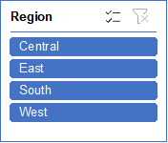
Sales By Region
 | Sum of Sales | Sum of Profit Margin
Central | 4699167.2485 | 10.3%
East | 3416466.471 | 9.3%
South | 3150219.3585 | 13.4%
West | 3649747.746 | 8.2%

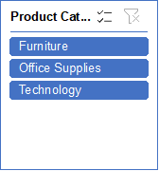

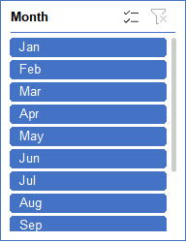

Profit By Category
 | Total
Furniture | 117432.98628
Office Supplies | 518021.458
Technology | 886313.5153

Key Insights:
🏆 Highest Sales Region → West
💰 Most Profitable Category → Technology
📈 Peak Sales Month → November
🚀 Fastest Growing Category → Office Supplies

Monthly Sales Trend
 | Total
Jan | 1444923.375
Feb | 1180083.7845
Mar | 1273680.9315
Apr | 1216483.438
May | 1160896.3805
Jun | 1030858.514
Jul | 1141104.3545
Aug | 1115015.327
Sep | 1337956.9555
Oct | 1383714.435
Nov | 1163393.3715
Dec | 1467489.957

$117K

Sheet1
Sales Performance Dashboard
 | Total Sales |  | Total Profit | Total Quantity | 10%
 | 14915601 |  | $1.5M | 214777
Sales By Region
Sales By Region
Region | Sum of Sales | Sum of Profit Margin
Central | 4699167.2485 | 10.3%
East | 3416466.471 | 9.3%
South | 3150219.3585 | 13.4%
West | 3649747.746 | 8.2%
Grand Total | 14915600.824 | 10.2%

Profit By Category
Product Category | Sum of Profit
Furniture | 117432.98628
Profit By Category
Office Supplies | 518021.458
Technology | 886313.5153
Grand Total | 1521767.9596

Monthly Sales Trend
Month | Sum of Sales
Jan | 1444923.375
Feb | 1180083.7845
Mar | 1273680.9315
Apr | 1216483.438
May | 1160896.3805
Monthly Sales Trend
Jun | 1030858.514
Jul | 1141104.3545
Aug | 1115015.327
Sep | 1337956.9555
Oct | 1383714.435
Nov | 1163393.3715
Dec | 1467489.957
Grand Total | 14915600.824

